records
Sample Measurement Record
Mano Engineering LLC |  |  |  |  |  | Part No. X04026500
No. | A | B | C | D | E
1 | 1.1095 | 0.4025 | 0.0295 | 1.103 | 0.69
2 | 1.1095 | 0.4035 | 0.03 | 1.103 | 0.691
3 | 1.108 | 0.4035 | 0.03 | 1.102 | 0.6905
4 | 1.1095 | 0.4035 | 0.028 | 1.102 | 0.6915
5 | 1.1095 | 0.4025 | 0.0285 | 1.102 | 0.692

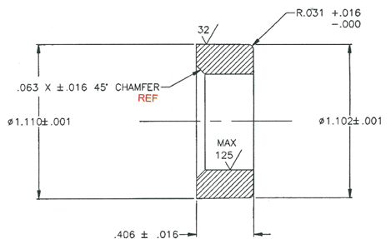
C
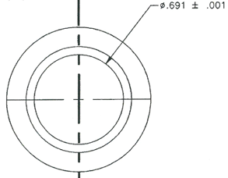
E

A
D

B

